A1
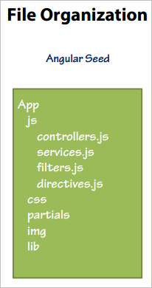
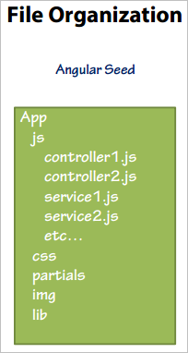
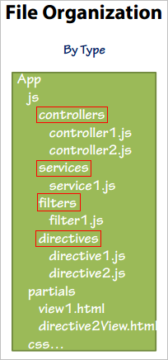
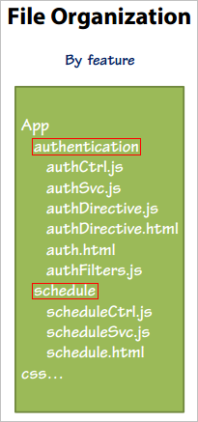
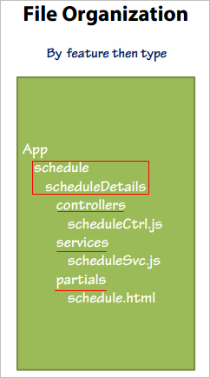
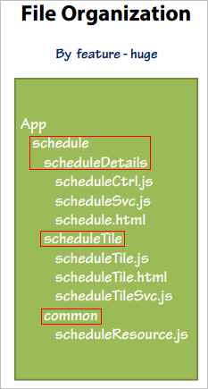
General | File and Folder organization

A7
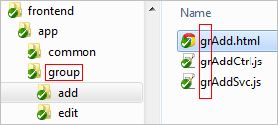
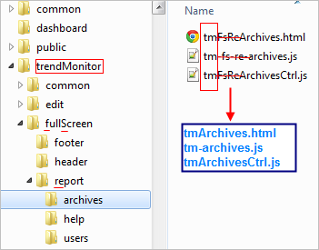
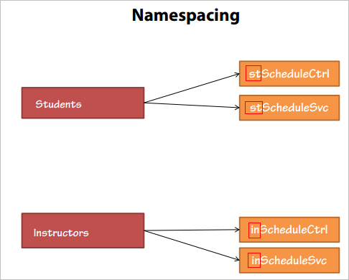
General | Namespacing

B4
General | Defer controller logic

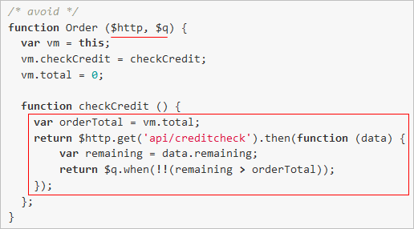
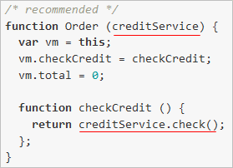

Advantages
 | - Using reuseable via services
 | - Reducing controller dependencies
 | - Hiding implementation detail from the controller. The main task of controller is coordinating and not implementing

B5
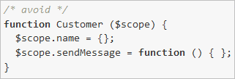
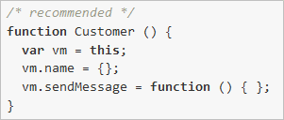
General | Using the controllerAs syntax of Controller

Example

B6
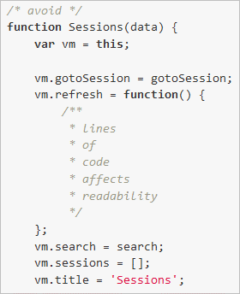
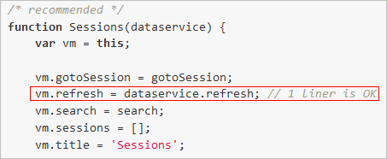
General | Bindable members up top

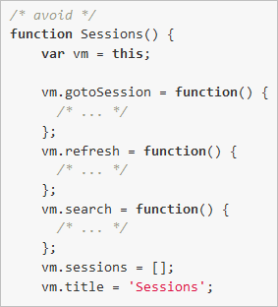
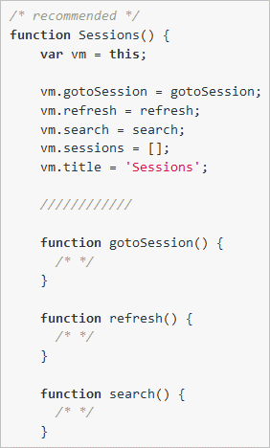

Note: We can keep function at top when the function has one line and readability is not affected.

C2
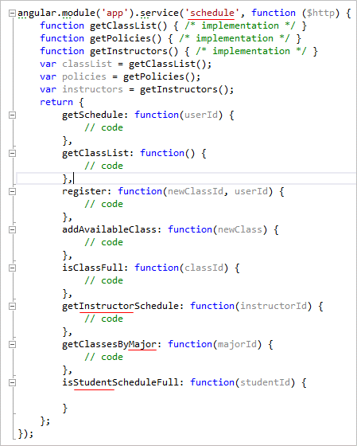
General | Single responsibility principle

C7
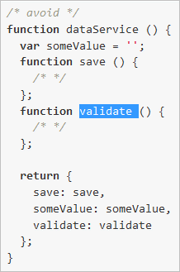
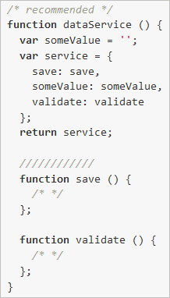
General | Accessible members up top

D5
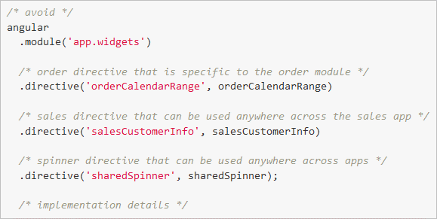
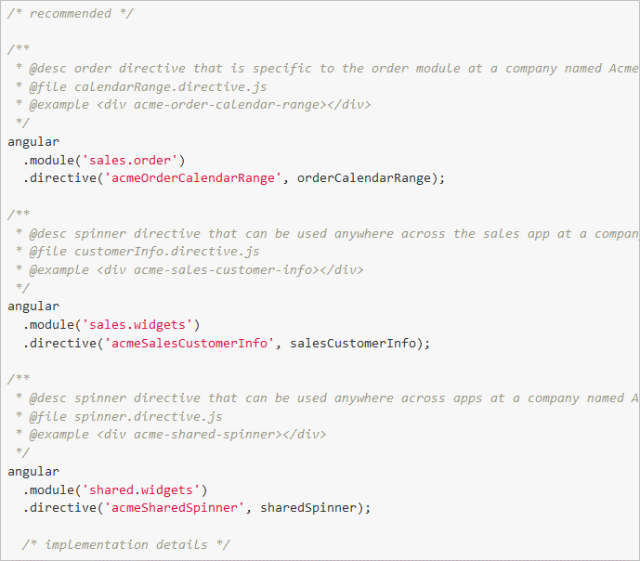
General | Limiting one directive per file

E3
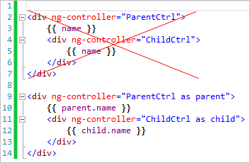
General | Using controller in Views

The advantages of using Controller As syntax
 | - More contextual
 | - Easy to read
 | - Avoiding potential reference issues
 | - Avoiding using $parent calls in Views with nested controllers

Example

E5
General | Avoiding FOUC in Views

 | Showing {{ sample }} when loading | Finished loading

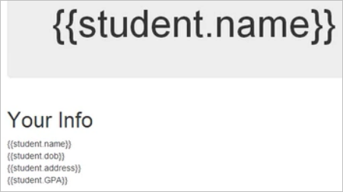
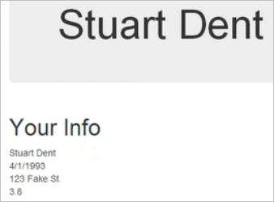

Avoiding FOUC in Views by:
 | - Using ngCloak ==> when loading, do not show briefly. Just show after finishing loading.
 | - Using ngBind ==> replace the text content by the value of a given expression, refresh when value is changed.
 | - Waiting image: show waiting image until data is loaded successfully ==> hide image.

F1
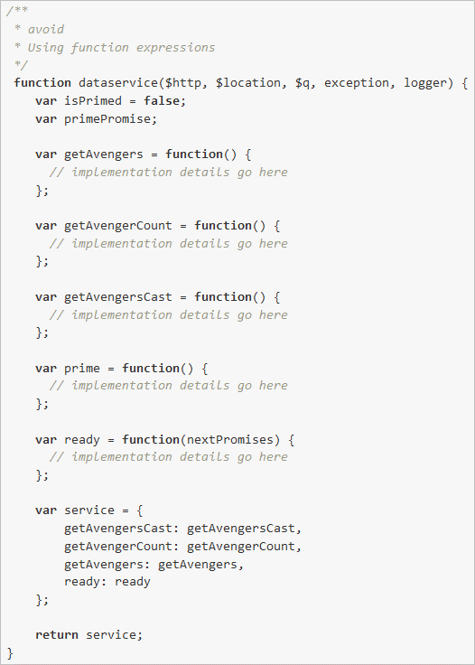
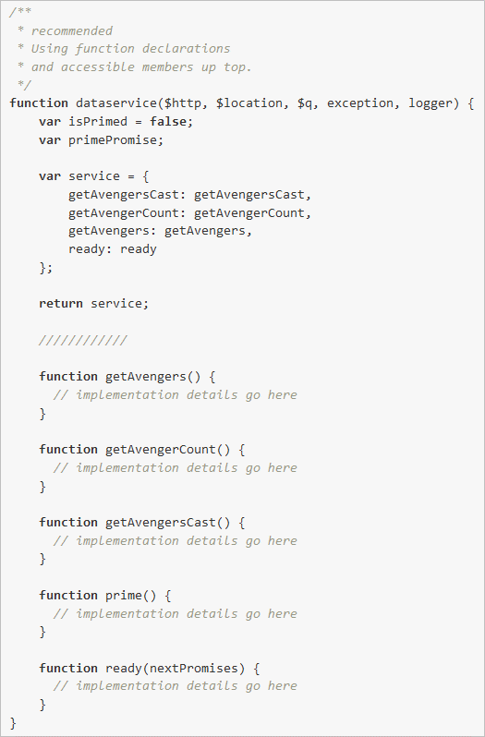
General | Using function declaration instead of variable

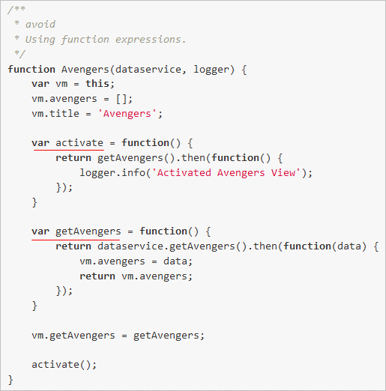
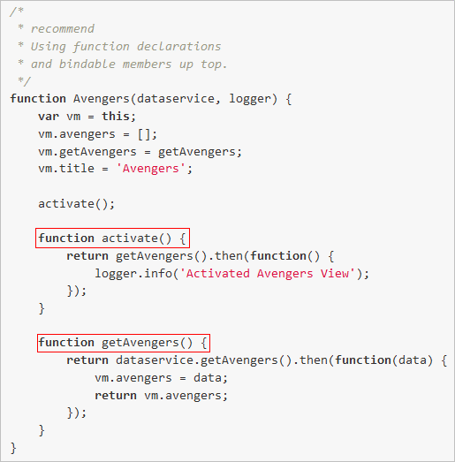

Advantages
 | - This rule works with "Bindable members up top" and "Accessible members up top" rules: They helps us easy to focus and read.
 | - Don't worry about using function before it is declared because function declaration is hoisted (hang).
 | - Don't worry about the order of variables.

G1
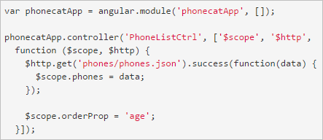
General | Minification

Two ways to make your code valid with minification

 | First, Create a $inject property on the controller function which holds an array of strings. Each string in the array is the name of the service to inject for the corresponding parameter.

 | Second, Use an inline annotation where, instead of just providing the function, you provide an array. This array contains a list of the service names, followed by the function itself.

G3
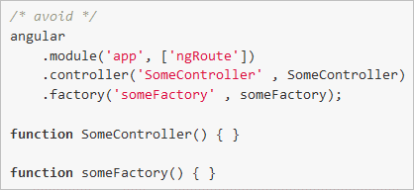
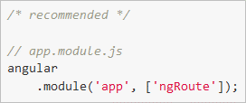
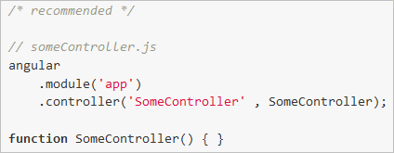
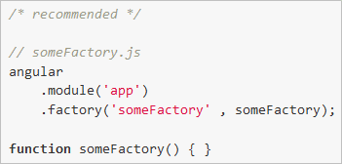
General | Defining one component per file

G4
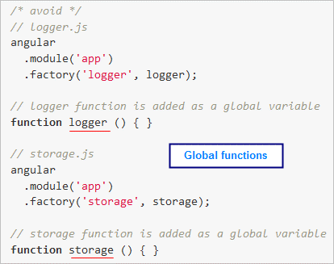
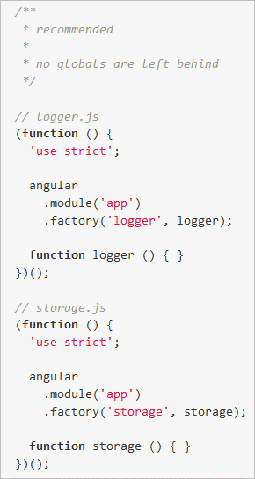
General | Immediately Invoked Function Expression (IIFE)

G5
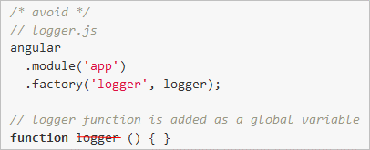
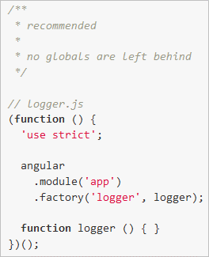
General | Reduce variables/functions at global scope

G6
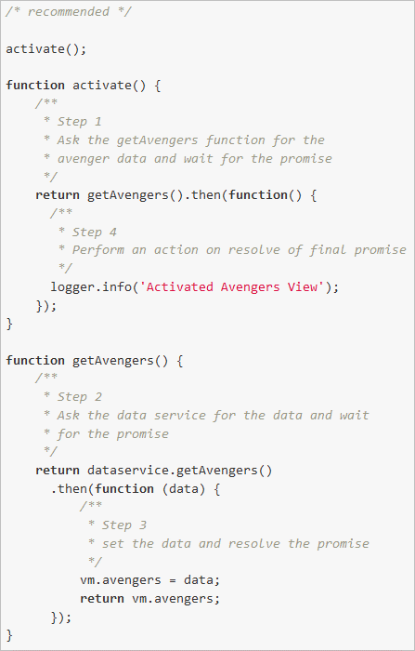
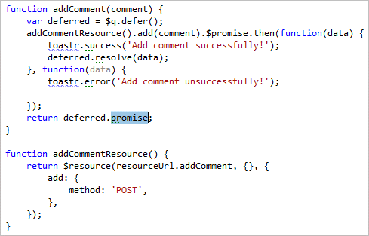
General | Return a Promise from Data Calls

G7
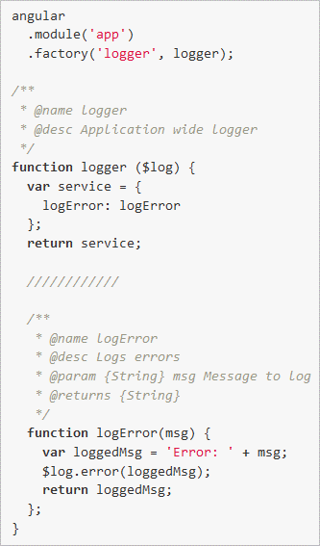
General | General comment for function

